目录
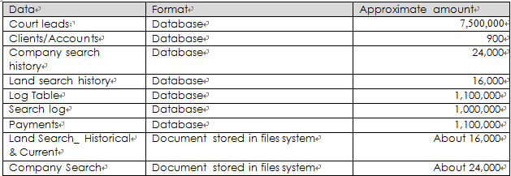
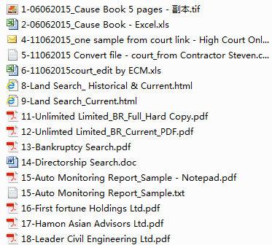

NO | DocumentID（数据源） | 可否程序导入 | 备注 |  | 日期
1 | 1 | NG | 图片不可以解析
2 | 2 | ok | 是否同的信息相同？
3 | 4 | ok | 需转换HTML文档后解析
4 | 5 |  | 乱码
5 | 6 | ok | 提取信息确认
6 | 8 | ok | 提取信息确认
7 | 9 | ok | 提取信息确认
8 | 11 | NG | 图片不可以解析 |  | 手动录入
9 | 12 | NG | 转换文档需要密码 |  | 手动录入
10 | 13 | ok | 需转换WOED文档后解析 |  | HTML文档
11 | 14 | ok | 提取信息确认
12 | 15 | ok | TXT可以。是否需要导入？
13 | 16 | NG | 图片不可以解析 |  | 手动录入
14 | 17 | NG | 图片不可以解析 |  | 手动录入
15 | 18 | NG | 图片不可以解析 |  | 手动录入

 | 文件内容 | 文件格式 | 导入方式 | 文件数量 | 参考文件ID
 | 土地登记册 | HTML | 程序自动导入 | 约16000 | 8、9
 | 破产查询 | HTML | 程序自动导入 | 约24000 | 13
 | 股东信息查询 | word文档 | 程序自动导入 | 不确定 | 14
 | 公司信息 | 扫描件PDF | 手动录入 | 不确定 | 11、12
 | 秘书及董事辞职通知书 | 扫描件PDF | 手动录入 | 不确定 | 16
 | 更改公司秘书及董事详情通知书 | 扫描件PDF | 手动录入 | 不确定 | 17
 | 公司信息查询 | 扫描件PDF | 手动录入 | 不确定 | 18

8-Land register HTML
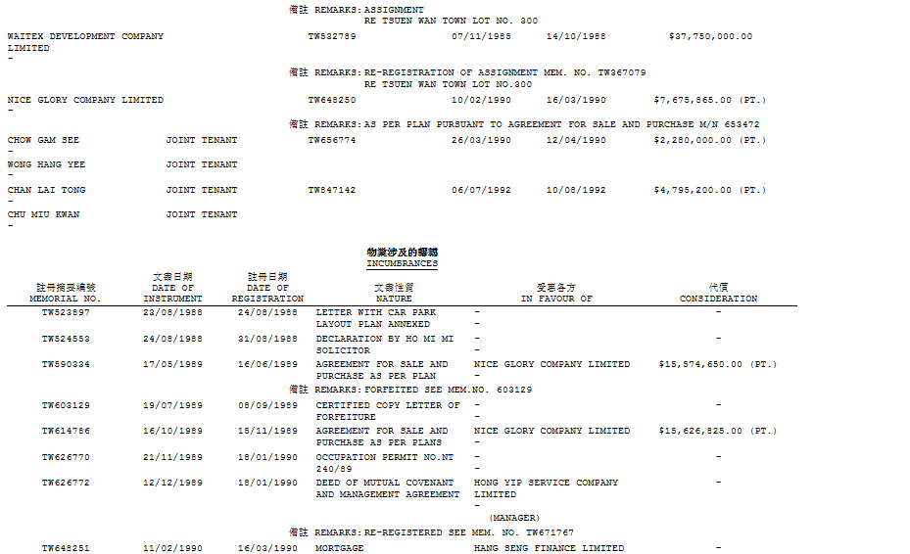
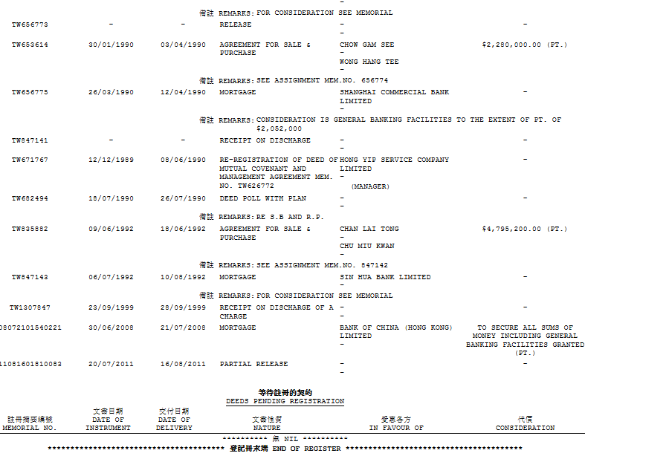
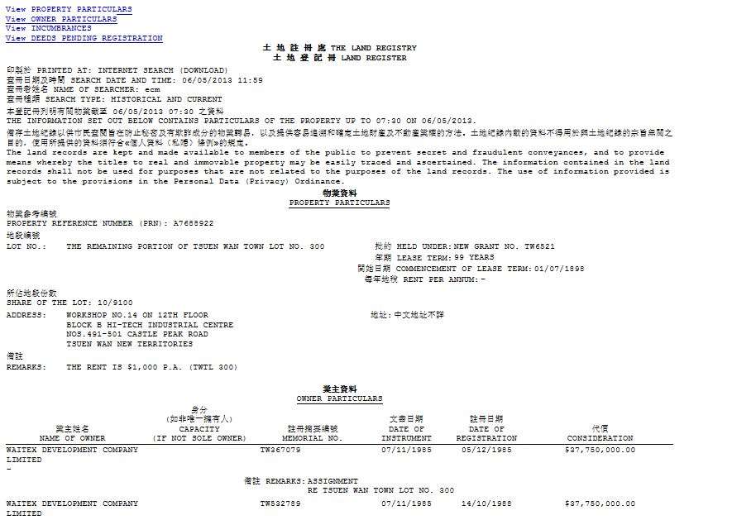

NO. | 字段
1 | 物业参考编号
2 | 业主姓名
3 | 注册摘要编号
4 | 文书日期
5 | 注册日期
6 | 代价
7 | 注册摘要编号
8 | 文书日期
9 | 注册日期
10 | 文书性质
11 | 受惠各方
12 | 代价

 | 返回

 | 1，业主资料与物业涉及信息字段相同
 | 2，

9-Land register HTML-CURRTEN
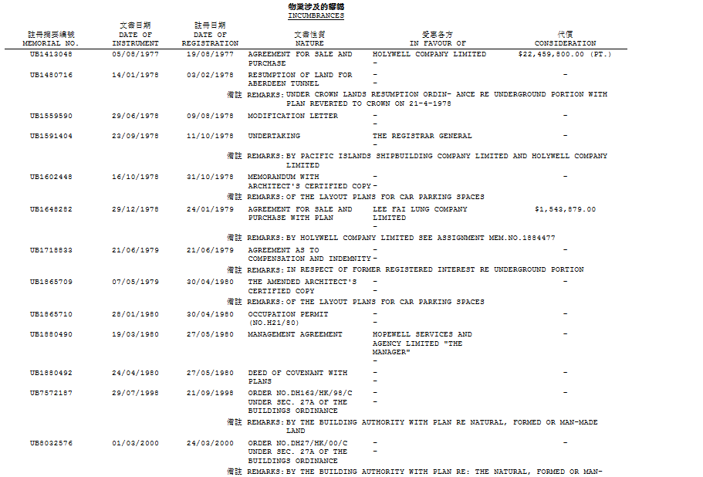
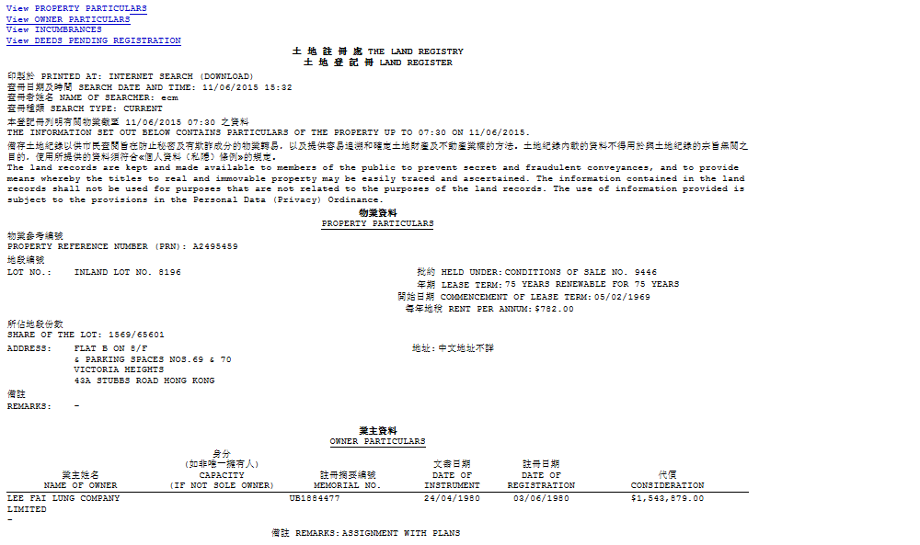

NO. | 字段
1 | 物业参考编号
2 | 业主姓名
3 | 注册摘要编号
4 | 文书日期
5 | 注册日期
6 | 代价
7 | 注册摘要编号
8 | 文书日期
9 | 注册日期
2
3
4
5
10 | 文书性质
6
11 | 受惠各方
12 | 代价

 | 返回

14-Directorship Search-word
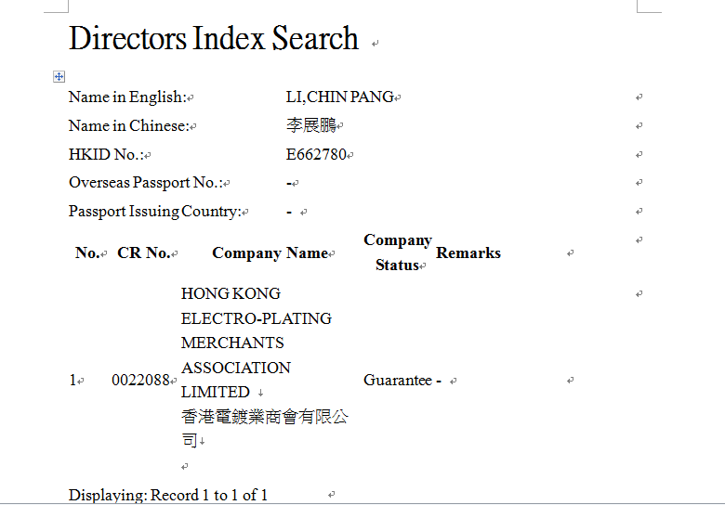

1

2
3
NO | 字段
1 | English name
2 | Chinese name
4
3 | HKID NO
4 | Overseas Passport NO
5
5 | Passport issuing country
6 | CR No.
7 | company name
8 | company status

6
7
 | 返回
8

Email转HTML
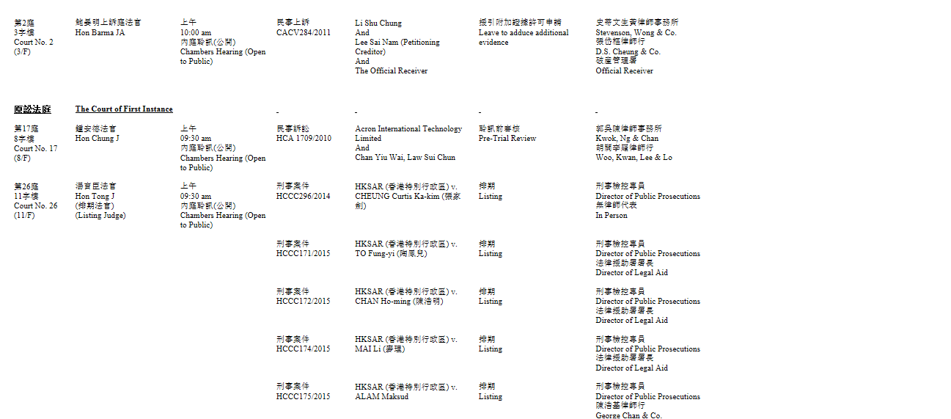
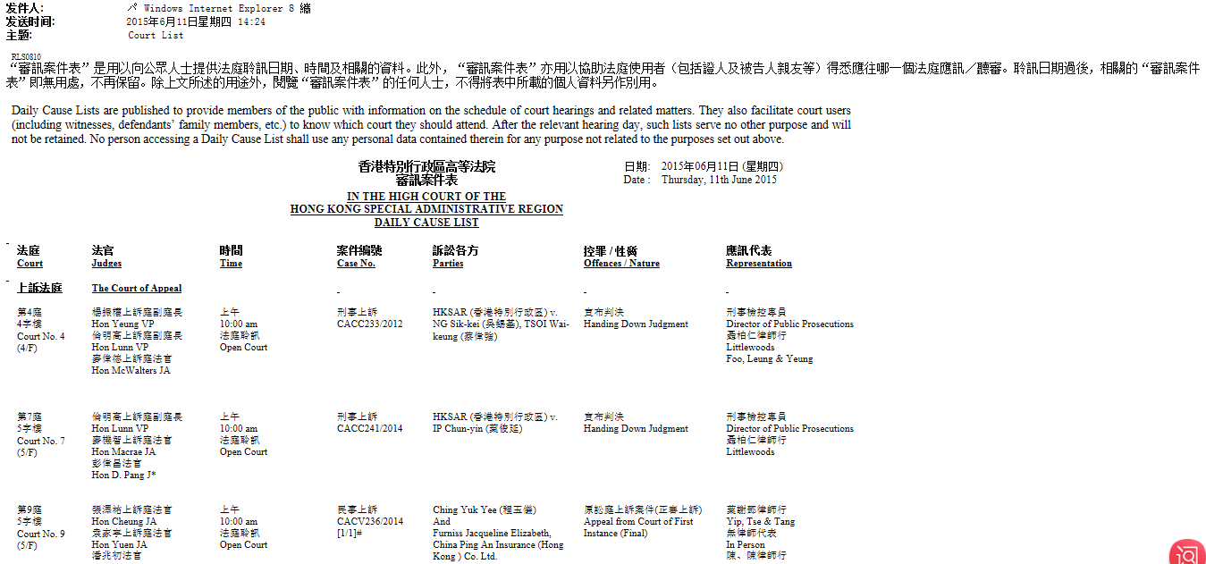

NO | 字段
1 | 法庭
2 | 法官
3 | 时间
4 | 案件编号
1
2
3
4
5
6
7
5 | 诉讼各方
6 | 控罪
7 | 应讯代表

 | 返回

13-Bankruptcy Search pdf转HTML
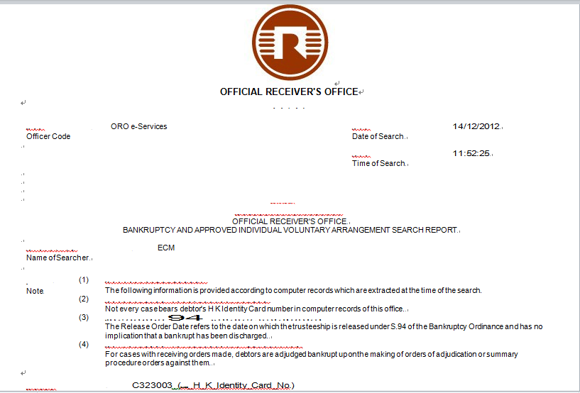

NO. | 字段
1 | Case Number
2 | Case Name
3 | First Hearing Date
4 | Bankruptcy Order Date
5 | Summary Procedure Order Date
6 | Order For Release Of Trustee Date
7 | Discharge/Order For Discharge Date
8 | Result

 | 返回

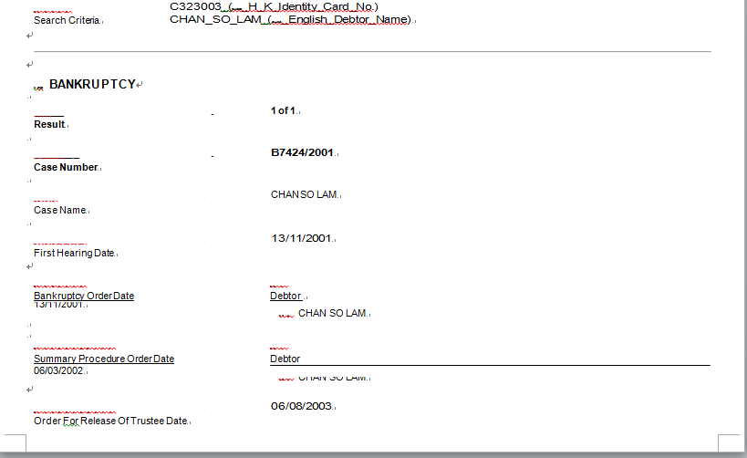

1

2

3

4

5

6

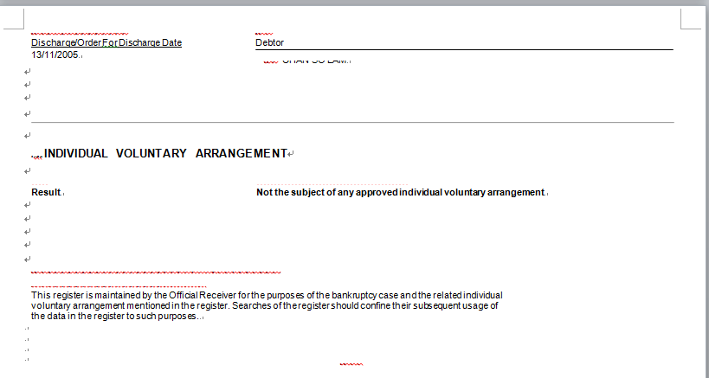
7

8

